Sheet1
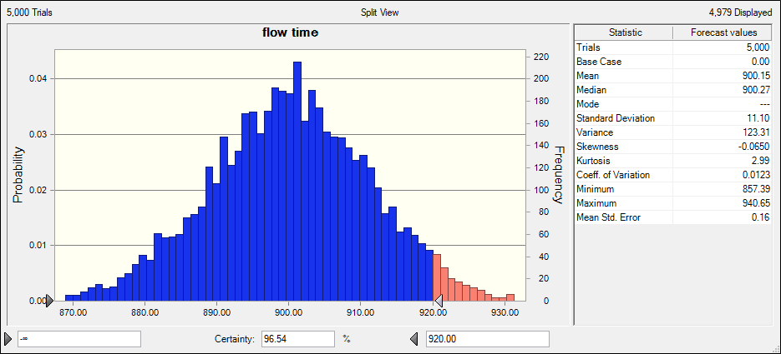
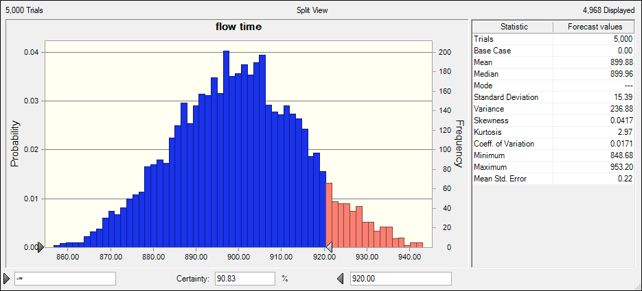
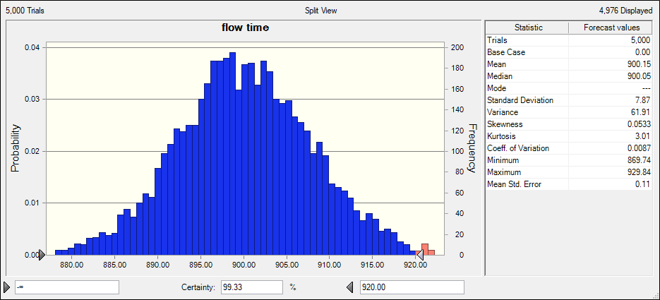
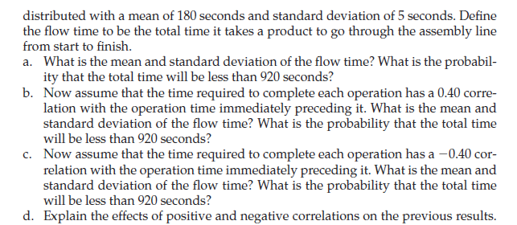
 |  | Answers:
 |  | a. 96.54% probable that the flow time is less than 920 seconds.
 |  | The mean and standard deviation of the flow time are
 |  | mean | 900.15
 |  | standard deviation | 11.1
 |  | b. the mean and standard deviation of the flow time are:
 |  | mean | 899.88
 |  | standard deviation | 15.39
 |  | The probability of flow time below 920 seconds is 90.83%
 |  | c. the mean and standard deviation of the flow time are:
 |  | mean | 900.15
 |  | standard deviation | 7.87
 |  | The probability of flow time below 920 seconds is 99.33%
 |  | d. the negative correlations increases the probabiltiy.

Operation | time taken
1 | 0
2 | 0
3 | 0
4 | 0
5 | 0
flow time | 0

